Q1
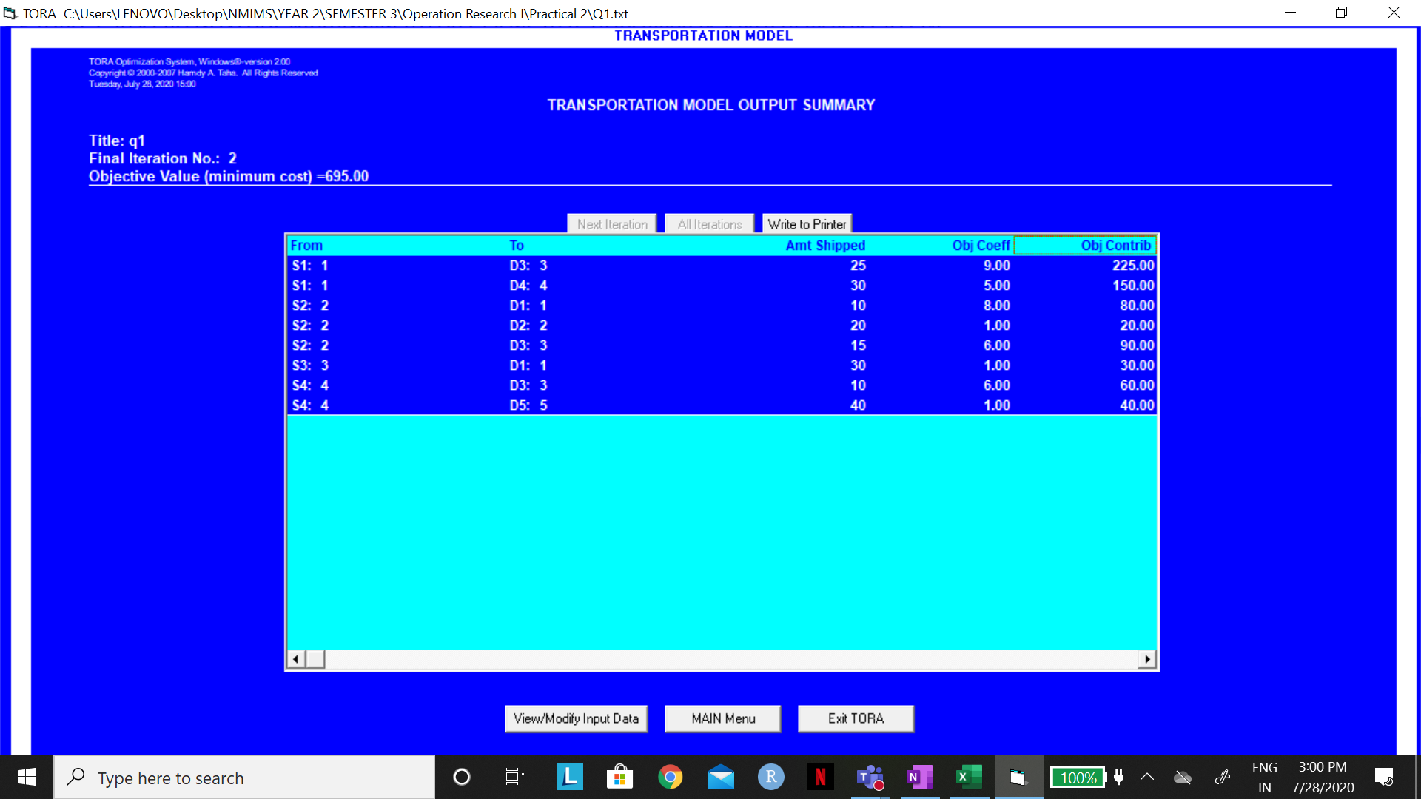
 |  |  |  |  |  |  |  | GIVEN SOLUTION
 | 1 | 2 | 3 | 4 | 5 | SUPPLY |  |  | 1 | 2 | 3 | 4 | 5 | SUPPLY
1 | 12 | 4 | 9 | 5 | 9 | 55 |  | 1 | 25 | 0 | 0 | 30 | 0 | 55
2 | 8 | 1 | 6 | 6 | 7 | 45 |  | 2 | 0 | 20 | 25 | 0 | 0 | 45
3 | 1 | 12 | 4 | 7 | 7 | 30 |  | 3 | 15 | 0 | 15 | 0 | 0 | 30
4 | 10 | 15 | 6 | 9 | 1 | 50 |  | 4 | 0 | 0 | 10 | 0 | 40 | 50
DEMAND | 40 | 20 | 50 | 30 | 40 | 180 |  | DEMAND | 40 | 20 | 50 | 30 | 40 | 180

 |  |  |  |  |  |  |  |  | TOTAL COST |  | 795
 | 1 | 2 | 3 | 4 | 5 |  | SUPPLY
1 | 0 | 0 | 25 | 30 | 0 | 55 | 55
2 | 10 | 20 | 15 | 0 | 0 | 45 | 45
3 | 30 | 0 | 0 | 0 | 0 | 30 | 30
4 | 0 | 0 | 10 | 0 | 40 | 50 | 50
 | 40 | 20 | 50 | 30 | 40
DEMAND | 40 | 20 | 50 | 30 | 40

 | TOTAL COST |  | 695

Q4
